Hoja1
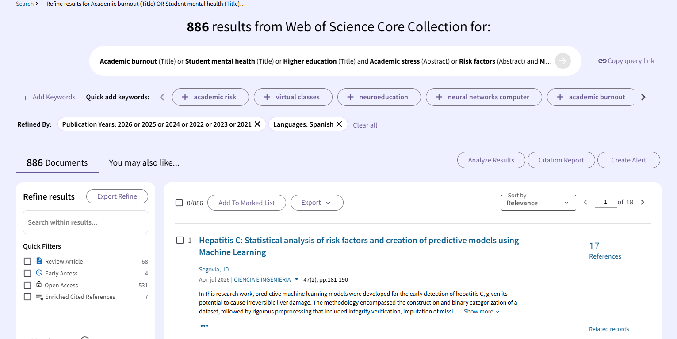
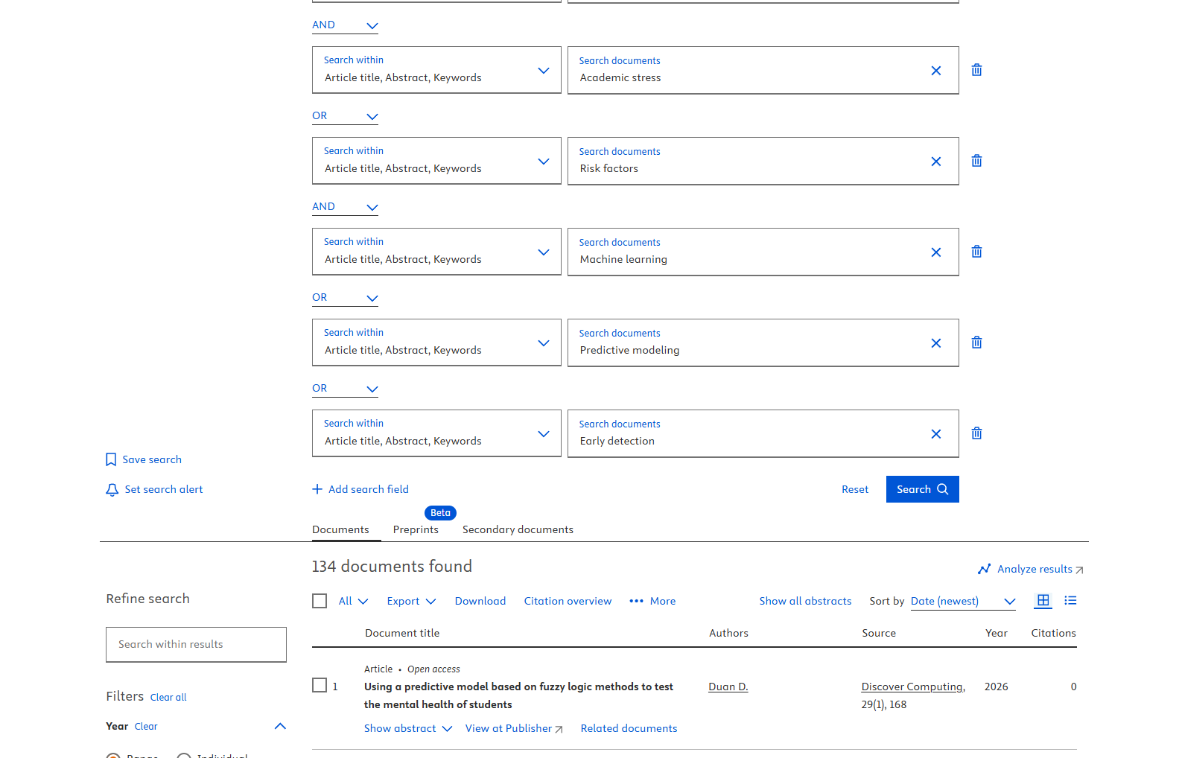
Base de Datos | Cadena
Web of science | Academic burnout (Title) or Student mental health (Title) or Higher education (Title) and Academic stress (Abstract) or Risk factors (Abstract) and Machine learning (Abstract) or Predictive modeling (Abstract) or Early detection (Abstract) and 2026 or 2025 or 2024 or 2022 or 2023 or 2021 (Publication Years) and Spanish (Languages)
Scopus | ( TITLE ( Academic burnout ) OR TITLE ( Student mental health ) OR TITLE ( Higher education ) AND TITLE-ABS-KEY ( Academic stress ) OR TITLE-ABS-KEY ( Risk factors ) AND TITLE-ABS-KEY ( Machine learning ) OR TITLE-ABS-KEY ( Predictive modeling ) OR TITLE-ABS-KEY ( Early detection ) )

CAPTURA PANTALLA 1 (Wos) |  | CAPTURA PANTALLA 2 (Scopus)

